complete uncertainty sources
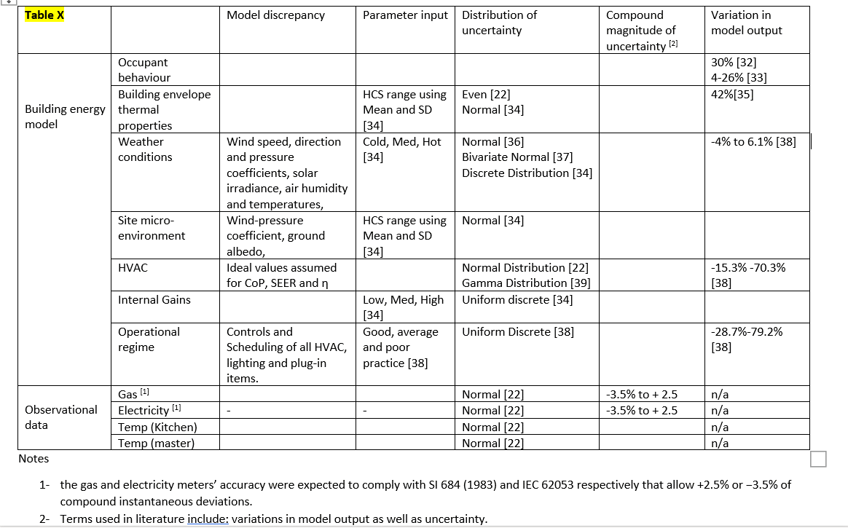

If we use these values as maximum probable observed relative uncertainties on multimodal variables (variables with differing modes and maxima), F1 can describe the region within which the true value of the compound magnitute of all these uncertainties may be found. As with any treatment of error and uncertianty, the region within which the true value rest is described by a PDF where a greater degree of confidence exits on the compound error to fall closer to the part of the distribution that represent the highest likelihood (i.e. centre in a normal or peak in a poisson distribution).

